1. Secondary Data
Definition of Secondary Data
Secondary data implies second-hand information which is already collected and recorded by any person other than the user for a purpose, not relating to the current research problem. It is the readily available form of data collected from various sources like censuses, government publications, internal records of the organisation, reports, books, journal articles, websites, Databases and so on.
Secondary data offer several advantages as it is easily available, saves time and cost of the researcher. But there are some disadvantages associated with this, as the data is gathered for the purposes other than the problem in mind, so the usefulness of the data may be limited in a number of ways like relevance and accuracy.
Moreover, the objective and the method adopted for acquiring data may not be suitable to the current situation. Therefore, before using secondary data, these factors shared in 2. Caomparison (Yellow esction) should be considered.

2. Comaprison
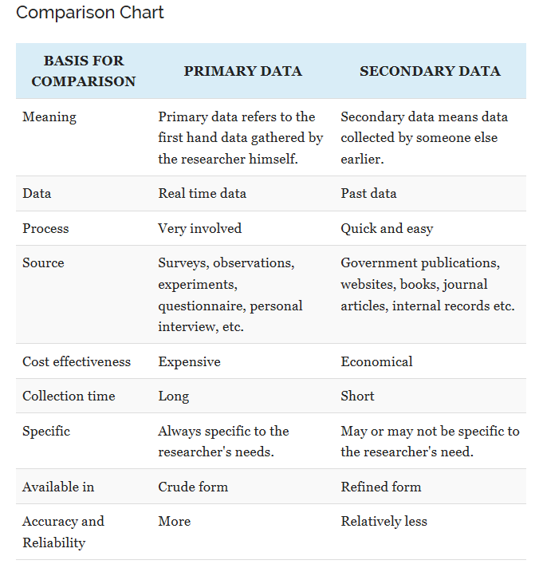

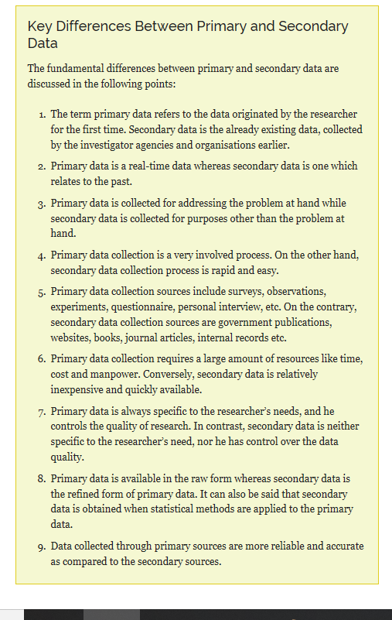

3. Summary
Conclusion
As can be seen from the discussion that primary data is an original and unique data, which is directly collected by the researcher from a source according to his/her requirements.
Secondary data which is easily accessible but are not pure as they have undergone through many statistical treatments and modifications :)

